Sheet1
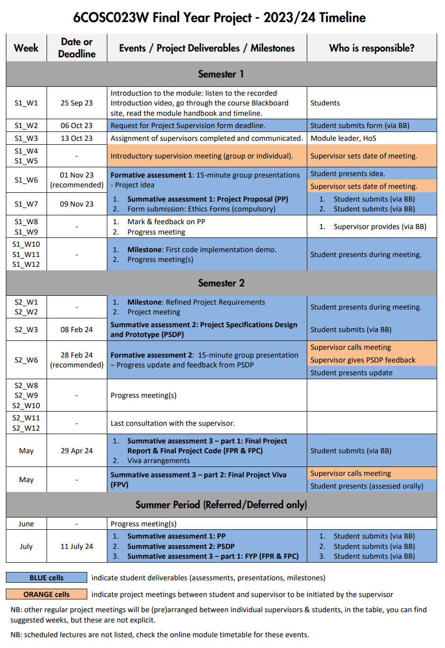
Week | Date | Task | Completed | Week | W1 | W2 | W3 | W4 | W5 | W6 | W7 | W8 | W9 | W10 | W11 | W12 | W13 | W14 | W15 | W16 | W17 | W18 | W19 | W20 | W21 | W22 | W23 | W24 | W25 | W26 | W27 | W28 | W29 | W30 | W31 | W32
W1 | 2023-09-25 | Create Time Plan |  | Date | 2023-09-25 | 2023-10-02 | 2023-10-09 | 2023-10-16 | 2023-10-23 | 2023-10-30 | 2023-11-06 | 2023-11-13 | 2023-11-20 | 2023-11-27 | 2023-12-04 | 2023-12-11 | 2023-12-18 | 2023-12-25 | 2024-01-01 | 2024-01-08 | 2024-01-15 | 2024-01-22 | 2024-01-29 | 2024-02-05 | 2024-02-12 | 2024-02-19 | 2024-02-26 | 2024-03-04 | 2024-03-11 | 2024-03-18 | 2024-03-25 | 2024-04-01 | 2024-04-08 | 2024-04-15 | 2024-04-22 | 2024-04-29
W2 | 2023-10-02 | Create a basic design plan document |  | Create Time Plan
W3 | 2023-10-09
W4 | 2023-10-16 |  |  | Create a basic design plan document
W5 | 2023-10-23 | Creating basic outline of website in php and html
W6 | 2023-10-30 |  |  | Creating basic outline of website in php and html
W7 | 2023-11-06
W8 | 2023-11-13 |  |  | create database and link to website
W9 | 2023-11-20
W10 | 2023-11-27 | create database and link to website |  | work on general look and feel of the website, choosing colour palette, animations
W11 | 2023-12-04
W12 | 2023-12-11 |  |  | Adding extra "luxury features"
W13 | 2023-12-18 | work on general look and feel of the website, choosing colour palette, animations
W14 | 2023-12-25 |  |  | Bug checking, cleaning up code, ensuring website ui is easy to undestand and use
W15 | 2024-01-01
W16 | 2024-01-08 |  |  | Report
W17 | 2024-01-15 | Adding extra "luxory features"
W18 | 2024-01-22 |  |  | Code Submission
W19 | 2024-01-29
W20 | 2024-02-05
W21 | 2024-02-12
W22 | 2024-02-19 | Bug checking, cleaning up code, ensuring website ui is easy to undestand and use |  | C
W23 | 2024-02-26
W24 | 2024-03-04
W25 | 2024-03-11
W26 | 2024-03-18 | Report
W27 | 2024-03-25
W28 | 2024-04-01
W29 | 2024-04-08
W30 | 2024-04-15
W31 | 2024-04-22
W32 | 2024-04-29 | Code Submission

